Results
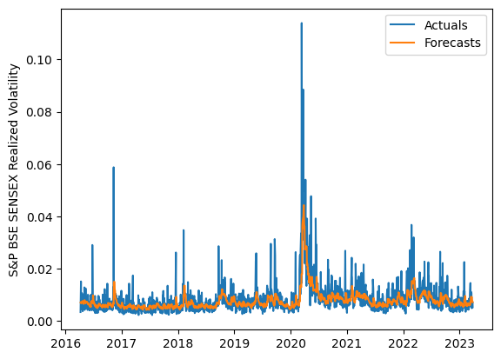
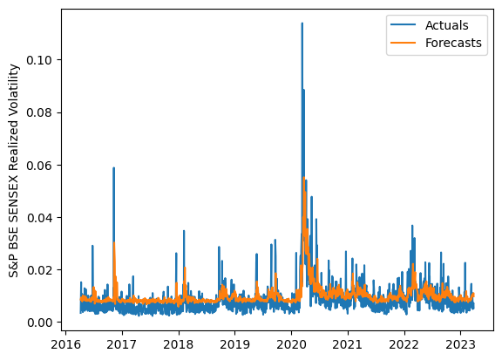
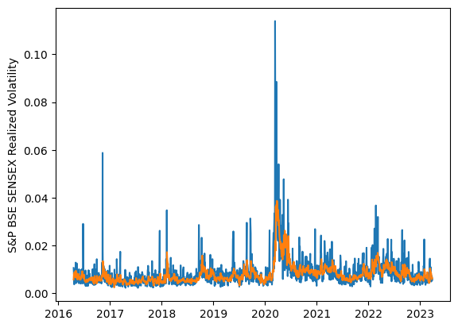
 | LSTM |  |  | TCN |  |  | NBEATSx |  |  |  |  | LSTM |  |  | TCN |  |  | NBEATSx
 | Accuracy | RMSE | Qlike | Accuracy | RMSE | Qlike | Accuracy | RMSE | Qlike |  |  | Accuracy | RMSE | Qlike | Accuracy | RMSE | Qlike | Accuracy | RMSE | Qlike
Trial 1 | 68.96% | 0.26% | 7.24% | 65.79% | 0.28% | 8.50% | 69.26% | 0.27% | 8.94% |  | Mean | 69.96% | 0.262% | 0.071 | 58.66% | 0.307% | 0.108 | 69.53% | 0.270% | 0.089
Trial 2 | 70.36% | 0.26% | 6.95% | 60.54% | 0.29% | 10.05% | 70.15% | 0.27% | 8.81% |  | Standard Deviation | 1.66% | 0.004% | 0.003 | 5.80% | 0.028% | 0.020 | 0.43% | 0.002% | 0.002
Trial 3 | 70.48% | 0.26% | 7.09% | 58.54% | 0.31% | 10.99% | 70.00% | 0.27% | 9.11% |  | 95% CI upper bound | 73.27% | 0.269% | 0.078 | 70.25% | 0.363% | 0.148 | 70.40% | 0.275% | 0.093
Trial 4 | 70.50% | 0.26% | 6.91% | 43.74% | 0.39% | 16.05% | 69.83% | 0.27% | 8.81% |  | 95% CI lower bound | 66.65% | 0.254% | 0.064 | 47.06% | 0.252% | 0.068 | 68.66% | 0.266% | 0.086
Trial 5 | 70.33% | 0.26% | 6.95% | 57.33% | 0.31% | 11.23% | 69.03% | 0.27% | 8.87% |  | 99.7% CI upper bound | 74.93% | 0.273% | 0.082 | 76.05% | 0.390% | 0.168 | 70.83% | 0.277% | 0.095
Trial 6 | 69.55% | 0.26% | 7.11% | 60.33% | 0.29% | 10.17% | 69.04% | 0.27% | 8.65% |  | 99.7% CI lower bound | 65.00% | 0.250% | 0.061 | 41.26% | 0.224% | 0.048 | 68.22% | 0.264% | 0.084
Trial 7 | 66.37% | 0.27% | 7.94% | 62.66% | 0.29% | 9.49% | 69.80% | 0.27% | 8.88%
Trial 8 | 70.33% | 0.26% | 6.97% | 65.04% | 0.28% | 8.92% | 69.75% | 0.27% | 9.26%
Trial 9 | 66.42% | 0.27% | 7.93% | 59.72% | 0.30% | 10.35% | 69.76% | 0.27% | 8.83%
Trial 10 | 71.73% | 0.26% | 7.01% | 53.22% | 0.33% | 12.56% | 70.03% | 0.27% | 8.95%
Trial 11 | 72.07% | 0.26% | 6.96% | 60.18% | 0.30% | 10.20% | 68.93% | 0.27% | 8.79%
Trial 12 | 70.16% | 0.26% | 7.05% | 60.27% | 0.30% | 10.10% | 68.98% | 0.27% | 8.96%
Trial 13 | 71.69% | 0.26% | 6.78% | 62.88% | 0.29% | 9.39% | 69.87% | 0.27% | 9.22%
Trial 14 | 70.27% | 0.26% | 7.01% | 59.78% | 0.30% | 10.27% | 69.36% | 0.27% | 9.12%
Trial 15 | 70.22% | 0.26% | 7.00% | 49.86% | 0.34% | 13.95% | 69.13% | 0.27% | 8.80%

 | LSTM (best trial) |  |  |  |  |  |  |  |  | TCN (best trial) |  |  |  |  |  |  |  |  | NBEATSx (best trial)

